China
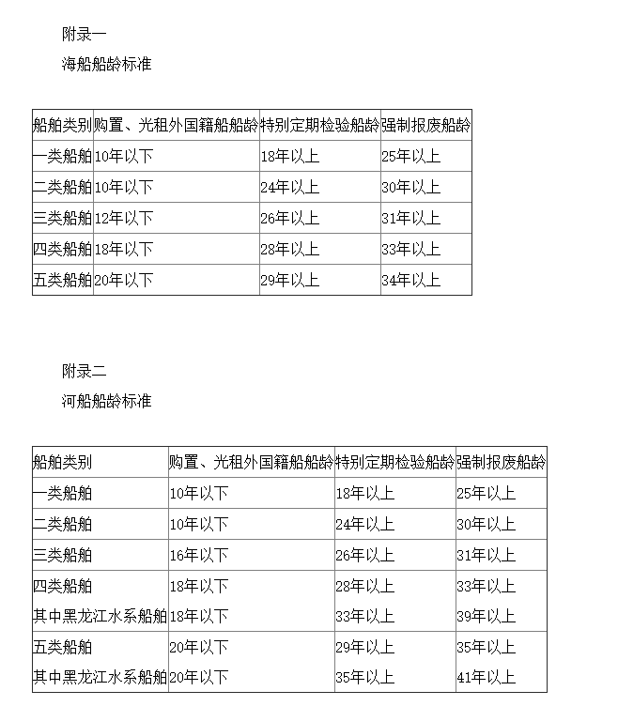
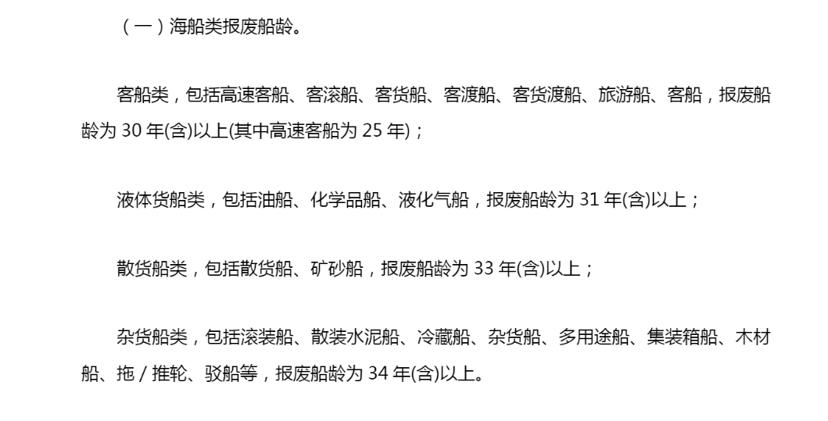
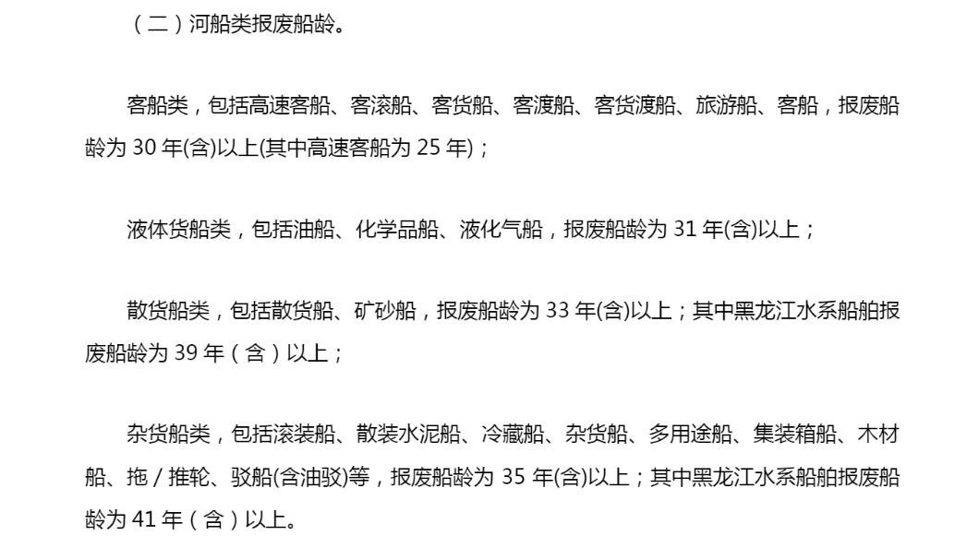
Passenger LDVs and HDVs
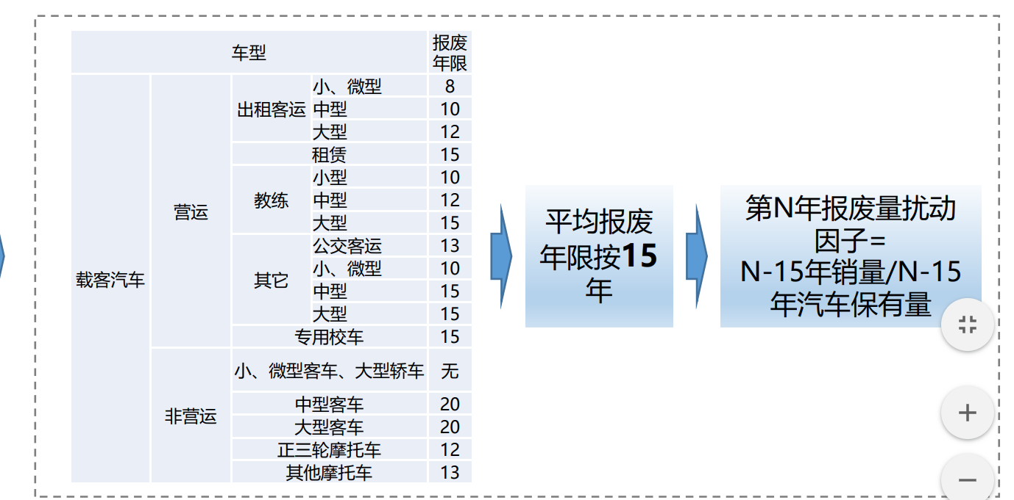
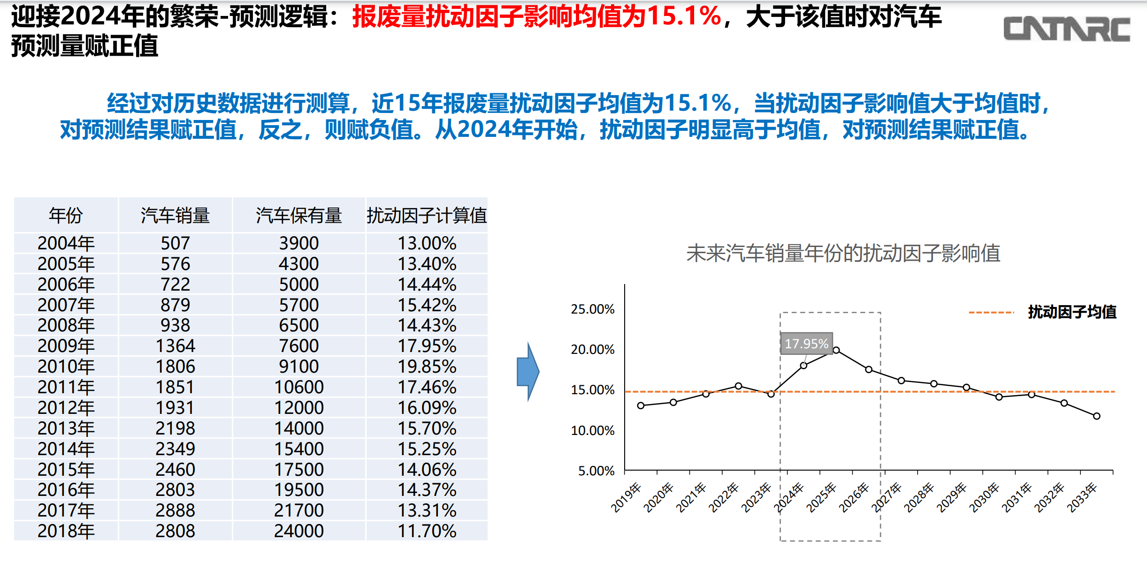

 |  | 2004-2018年我国汽车销量和汽车保有量，数据来源：中汽协和公安部网站

Freight LDVs and HDVs

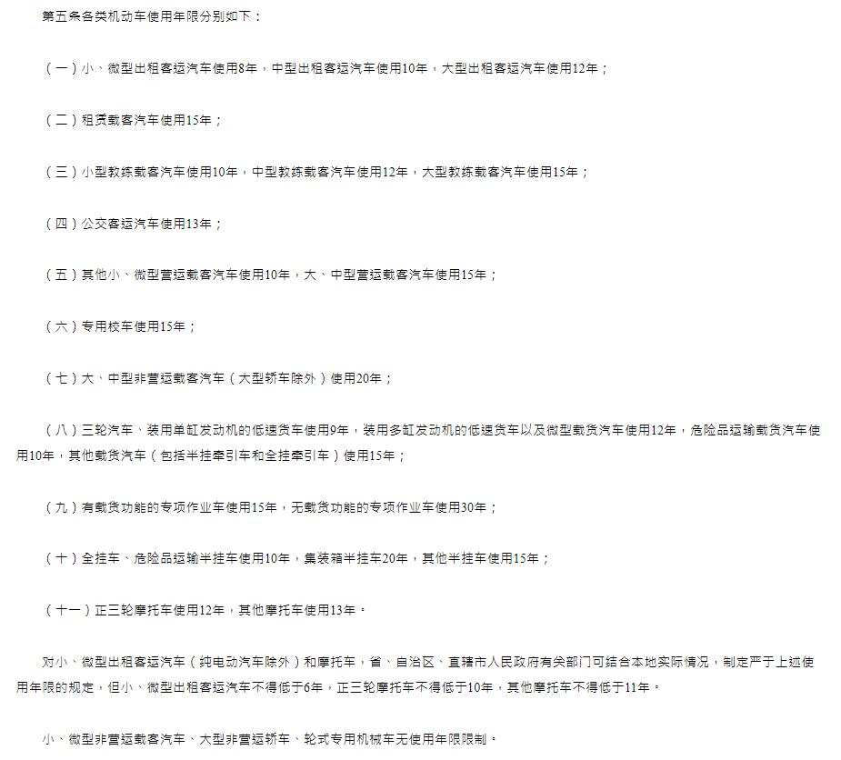
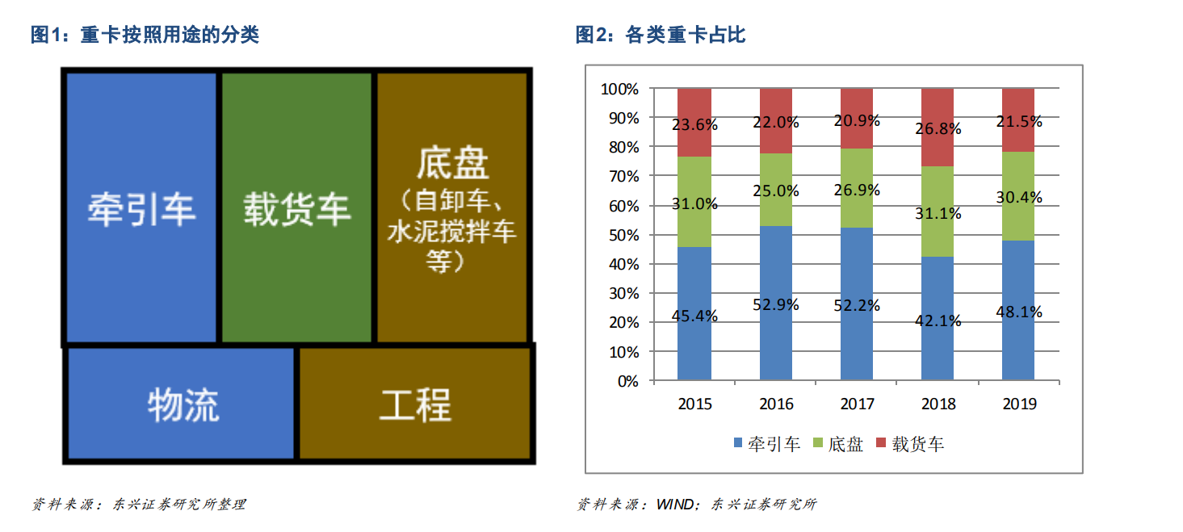

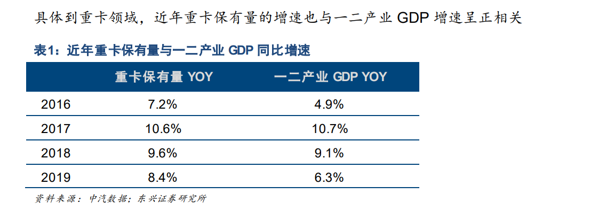

营运类的汽车一般8年或者60万公里就要强制报废 原文網址：https://kknews.cc/news/gppjk58.html
通过预测重卡保有量的增量以及报废周期（估计为平均8年） | http://m.hibor.com.cn/wap_detail.aspx?id=cb60fbe320b08ccfb8c6548810333d0f
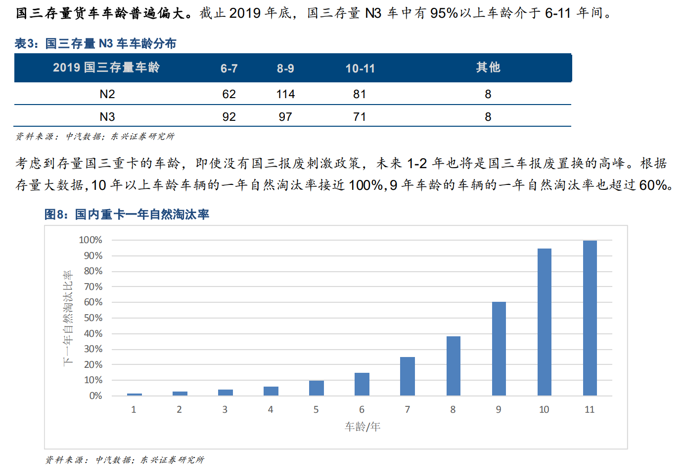

2019年11月26日，由商务部市场建设司授权中国汽车技术研究中心有限公司组织的《机动车强制报废标准规定》（以下简称《规定》）修订研究工作正式开启，这也意味着未来机动车强制报废管理会发生变化。
随着商用车技术的进步，现在的卡车质量远强于十几年前，因此，国家规定15年的强制报废年限，对于车来说完全可以跑15年。
随着国三、国四、国五、国六切换速度的加快，并且受环保因素影响，卡车强制报废年限缩短，可能跑7-8年就被强制报废
皮卡车型政策放宽报废执行乘用车的标准在我国，皮卡属于轻型货车，在对皮卡车型的报废标准方面，规定使用年限15年或者行驶里程达到60万公里就要强制报废。目前，随着多地区解禁皮卡，政策逐渐放宽，但是在强制报废规定中皮卡依然归属于普通货车范围。

Rail
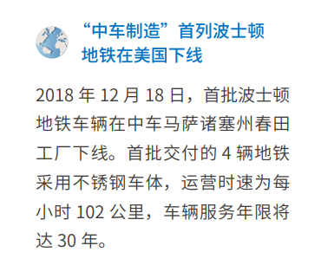

船舶

